Cover


Zihang Zhao

Risk Analysis
Sensitivity Analysis and Stock Price Range (Rationale provided in Valuation tab) |  |  |  |  |  |  |  | Crystal Ball Analysis |  |  |  |  |  |  |  |  |  | Scenario Analysis
 |  |  |  |  |  |  |  | Simplified DCF
Multiples Model Sensitivity Analysis |  |  |  |  |  |  |  |  |  |  |  |  |  |  |  |  |  |  | Bear |  | Base |  | Bull
 |  | EBIT |  |  |  |  |  | Factors |  |  | Type |  | Range |  |  |  |  | Growth rate (LT) | 9.50% |  | 10% |  | 10.50%
EV/EBIT | 13.56 | 700.00 | 1,264.00 | 1,700.00 | 2,200.00 | 2,700.00 | 3,200.00 | Market Premium |  |  | Uniform |  | 4.12%-7.33% |  |  |  |  | WACC | 14.50% |  | 14.04% |  | 13.50%
 | 10.00 | 6.45 | 9.95 | 12.66 | 15.77 | 18.87 | 21.98 | Risk-free rate |  |  | Uniform |  | 2.5%-4% |  |  |  |  | Revenue growth rate | 14% |  | 15% |  | 16%
 | 14.59 | 8.45 | 13.56 | 17.51 | 22.04 | 26.57 | 31.10 | Cost of debt |  |  | Uniform |  | 3.36%-6.33% |  |  |  |  | Share Value | $63.57 |  | $97.96 |  | $159.12
 | 20.00 | 10.80 | 17.80 | 23.22 | 29.43 | 35.64 | 41.85 | Long-term growth rate |  |  | Uniform |  | 8%-11% |  |  |  |  | Upside | - |  | 9.61% |  | 78.05%
 | 25.00 | 12.97 | 21.73 | 28.50 | 36.26 | 44.02 | 51.78 | Short-term growth rate |  |  | Triangular |  | 20%-24.67%-30% |  |  |  |  | Downside | -28.87% |  | - |  | -
 | 30.00 | 15.14 | 25.65 | 33.77 | 43.09 | 52.40 | 61.72 | Share Value |  |  | Forecast |  | Refer to table
 | 35.00 | 17.32 | 29.58 | 39.05 | 49.92 | 60.79 | 71.65
Sensitivity: Share Value
Market Premium | -0.82588999582
Long-term growth rate · 2 | 0.10326826301
Risk Free rate | -0.048207713038
FCF | 0.016019335501
Short-term growth rate (4) · 2 | 0.0065954174517
Cost of debt (2) | -1.9275180588E-05
 | 40.00 | 19.49 | 33.50 | 44.33 | 56.75 | 69.17 | 81.59 |  |  |  |  |  |  |  |  |  |  | Current Share Price | $89.37
 | 45.00 | 21.66 | 37.43 | 49.61 | 63.58 | 77.55 | 91.52
 | 50.00 | 23.84 | 41.35 | 54.89 | 70.41 | 85.94 | 101.46
 | 55.00 | 26.01 | 45.27 | 60.17 | 77.24 | 94.32 | 111.40
 | 60.00 | 28.18 | 49.20 | 65.44 | 84.07 | 102.70 | 121.33
 | 65.00 | 30.36 | 53.12 | 70.72 | 90.90 | 111.09 | 131.27
 | 70.00 | 32.53 | 57.05 | 76.00 | 97.73 | 119.47 | 141.20
 |  |  |  |  |  |  |  |  |  |  |  |  |  |  |  |  |  | Scenario Summary
 |  |  |  |  |  |  |  |  |  |  |  |  |  |  |  | Interpretations are provided below |  |  |  | Current Values: | Bull WACC | Bull Growth | Bull Revenue Growth
Multiples Model Sensitivity Analysis
 |  | Sales |  |  |  |  |  |  |  |  |  |  |  |  |  |  |  | Changing Cells:
EV/Sales | 84.10 | 17,000.00 | 20,000.00 | 23,601.00 | 26,000.00 | 29,000.00 | 32,000.00 |  |  |  |  |  |  |  |  |  |  |  | WACC | 14.04% | 13.50% | 14.04% | 14.04%
 | 2.00 | 23.22 | 26.94 | 31.42 | 34.39 | 38.12 | 41.85 |  |  |  |  |  |  |  |  |  |  |  | Growth rate (LT) | 10.00% | 10.00% | 10.50% | 10.00%
 | 4.00 | 44.33 | 51.78 | 60.73 | 66.69 | 74.14 | 81.59 |  |  |  |  |  |  |  |  |  |  |  | Revenue growth | 15% | 15% | 15% | 16%
 | 5.60 | 61.17 | 71.59 | 84.10 | 92.44 | 102.86 | 113.28 |  |  |  |  |  |  |  |  |  |  | Result Cells:
 | 8.00 | 86.56 | 101.46 | 119.35 | 131.27 | 146.17 | 161.07 |  |  |  |  |  |  |  |  |  |  |  | Share Value | 97.96 | 113.36 | 110.22 | 119.25
 | 10.00 | 107.67 | 126.30 | 148.66 | 163.56 | 182.19 | 200.82
 | 12.00 | 128.78 | 151.14 | 177.97 | 195.85 | 218.20 | 240.56
 | 14.00 | 149.90 | 175.98 | 207.28 | 228.14 | 254.22 | 280.30 |  |  |  |  |  |  |  |  |  |  | Scenario Summary
 | 16.00 | 171.01 | 200.82 | 236.60 | 260.43 | 290.24 | 320.04 |  |  |  |  |  |  |  |  |  |  |  |  | Current Values: | Bear WACC | Bear Growth | Bear Revenue Growth
 | 18.00 | 192.12 | 225.66 | 265.91 | 292.72 | 326.25 | 359.79
 | 20.00 | 213.24 | 250.50 | 295.22 | 325.01 | 362.27 | 399.53 |  |  |  |  |  |  |  |  |  |  | Changing Cells:
 | 22.00 | 234.35 | 275.33 | 324.53 | 357.30 | 398.29 | 439.27 |  |  |  |  |  |  |  |  |  |  |  | WACC | 14.04% | 14.50% | 14.04% | 14.04%
 | 24.00 | 255.46 | 300.17 | 353.84 | 389.59 | 434.30 | 479.02 |  |  |  |  |  |  |  |  |  |  |  | Growth rate (LT) | 10.00% | 10.00% | 9.50% | 10.00%
 | 26.00 | 276.58 | 325.01 | 383.15 | 421.89 | 470.32 | 518.76 |  |  |  |  |  |  |  |  |  |  |  | Revenue growth | 15% | 15% | 15% | 14%
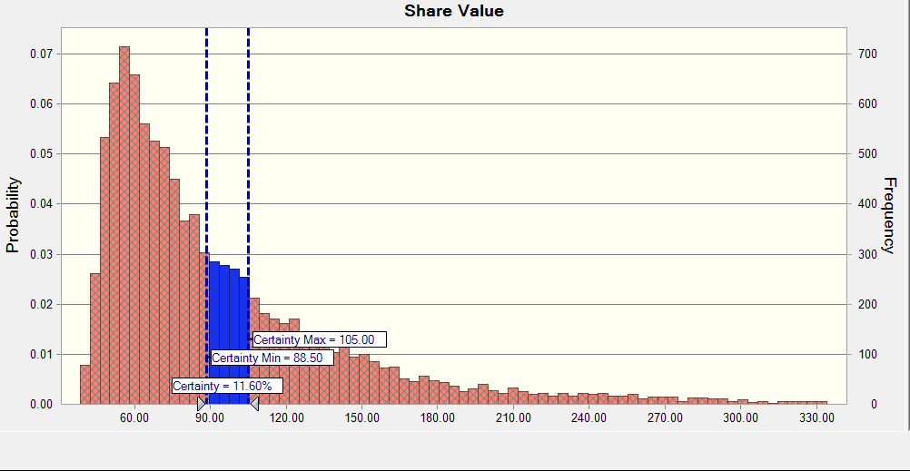
 |  |  |  |  |  |  |  |  |  |  |  |  |  |  |  |  |  | Result Cells:
Multiples Model Sensitivity Analysis |  |  |  |  |  |  |  |  |  |  |  |  |  |  |  |  |  |  | Share Value | 97.96 | 87.94 | 88.39 | 77.37
 |  | FCF
EV/FCF | 45.51 | 2,000.00 | 2,500.00 | 3,115.00 | 3,500.00 | 4,000.00 | 4,500.00
 | 10.00 | 14.52 | 17.63 | 21.45 | 23.84 | 26.94 | 30.05
 | 13.00 | 18.25 | 22.29 | 27.25 | 30.36 | 34.39 | 38.43 |  |  |  |  |  |  |  |  |  |  | Scenario Summary
 | 16.00 | 21.98 | 26.94 | 33.05 | 36.88 | 41.85 | 46.81 |  |  |  |  |  |  |  |  |  |  |  |  | Current Values: | Aggregate Bull
 | 19.00 | 25.70 | 31.60 | 38.86 | 43.40 | 49.30 | 55.20
 | 22.44 | 29.97 | 36.94 | 45.51 | 50.88 | 57.84 | 64.81 |  |  |  |  |  |  |  |  |  |  | Changing Cells:
 | 25.00 | 33.15 | 40.92 | 50.46 | 56.44 | 64.20 | 71.96 |  |  |  |  |  |  |  |  |  |  |  | WACC | 14.04% | 13.50%
 | 28.00 | 36.88 | 45.57 | 56.27 | 62.96 | 71.65 | 80.35 |  |  |  |  |  |  |  |  |  |  |  | Growth rate (LT) | 10.00% | 10.50%
 | 31.00 | 40.60 | 50.23 | 62.07 | 69.48 | 79.11 | 88.73 |  |  |  |  |  |  |  |  |  |  |  | Revenue growth | 15% | 16%
 | 34.00 | 44.33 | 54.89 | 67.87 | 76.00 | 86.56 | 97.11 |  |  |  |  |  |  |  |  |  |  | Result Cells:
 | 37.00 | 48.06 | 59.54 | 73.67 | 82.52 | 94.01 | 105.50 |  |  |  |  |  |  |  |  |  |  |  | Share Value | 97.96 | 159.12
 | 40.00 | 51.78 | 64.20 | 79.48 | 89.04 | 101.46 | 113.88
 | 43.00 | 55.51 | 68.86 | 85.28 | 95.56 | 108.91 | 122.26
 | 46.00 | 59.23 | 73.52 | 91.08 | 102.08 | 116.36 | 130.65
 |  |  |  |  |  |  |  |  |  |  |  |  |  |  |  |  |  | Scenario Summary
Multiples Model Sensitivity Analysis |  |  |  |  |  |  |  |  |  |  |  |  |  |  |  |  |  |  |  | Current Values: | Aggregate Bear
 |  | EBITDA
EV/EBITDA | 41.19 | 4,500.00 | 5,000.00 | 5,438.00 | 6,000.00 | 6,500.00 | 7,000.00 |  |  |  |  |  |  |  |  |  |  | Changing Cells:
 | 4.00 | 13.28 | 14.52 | 15.61 | 17.01 | 18.25 | 19.49 |  |  |  |  |  |  |  |  |  |  |  | WACC | 14.04% | 14.50%
 | 6.00 | 18.87 | 20.73 | 22.37 | 24.46 | 26.32 | 28.18 |  |  |  |  |  |  |  |  |  |  |  | Growth rate (LT) | 10.00% | 9.50%
 | 8.00 | 24.46 | 26.94 | 29.12 | 31.91 | 34.39 | 36.88 | Statistics: |  | Forecast values |  |  | Percentiles: |  |  | Forecast values |  |  | Revenue growth | 15% | 14%
 | 10.00 | 30.05 | 33.15 | 35.87 | 39.36 | 42.47 | 45.57 |  | Trials |  | 10,000 |  |  | 0% |  | 38.41 |  | Result Cells:
 | 11.58 | 34.45 | 38.04 | 41.19 | 45.23 | 48.82 | 52.42 |  | Base Case |  | 101.23 |  |  | 10% |  | 51.13 |  |  | Share Value | 97.96 | 63.57
 | 14.00 | 41.23 | 45.57 | 49.38 | 54.27 | 58.61 | 62.96 |  | Mean |  | 100.85 |  |  | 20% |  | 56.81
 | 16.00 | 46.81 | 51.78 | 56.13 | 61.72 | 66.69 | 71.65 |  | Median |  | 78.63 |  |  | 30% |  | 62.71 |  | Interpretation
 | 18.00 | 52.40 | 57.99 | 62.89 | 69.17 | 74.76 | 80.35 |  | Mode |  | --- |  |  | 40% |  | 70.08 |  | Based on the scenario analysis, we figure that revenue growth is also a key driver to the change of AMD's stock price. Hence, we believe the sales risk is another risk that can prevent AMD's stock price from rising. The sales risk can be casued by decreased demand from all AMD's business segments. Currently, the gaming and PC sector have weak demand; however, such weak demand can be offset by the increasing demand of AMD's server segment. With the trend of AI in current period, we are optimistic about AMD's global server and units demand.
 | 20.00 | 57.99 | 64.20 | 69.64 | 76.62 | 82.83 | 89.04 |  | Standard Deviation |  | 83.34 |  |  | 50% |  | 78.62
 | 22.00 | 63.58 | 70.41 | 76.40 | 84.07 | 90.90 | 97.73 |  | Variance |  | 6946.13 |  |  | 60% |  | 89.95
 | 24.00 | 69.17 | 76.62 | 83.15 | 91.52 | 98.98 | 106.43 |  | Skewness |  | 7.99 |  |  | 70% |  | 104.27
 | 26.00 | 74.76 | 82.83 | 89.90 | 98.98 | 107.05 | 115.12 |  | Kurtosis |  | 119.15 |  |  | 80% |  | 126.26
 | 28.00 | 80.35 | 89.04 | 96.66 | 106.43 | 115.12 | 123.82 |  | Coeff. of Variation |  | 0.8264 |  |  | 90% |  | 164.72
 |  |  |  |  |  |  |  |  | Minimum |  | 38.41 |  |  | 100% |  | 1954.67
 |  |  |  |  |  |  |  |  | Maximum |  | 1954.67
Simplified DCF Sensitivity Analysis |  |  |  |  |  |  |  |  | Range Width |  | 1916.26
 |  |  |  |  |  |  |  |  | Mean Std. Error |  | 0.83
Simplified DCF Sensitivity Analysis
 |  | WACC |  |  |  |  |  | Crystal Ball Analysis Continued
Long-term Growth rate | 101.23 | 10% | 12% | 14% | 16% | 18% | 20% | Full Pro Forma Model
 | 6% | 115.83 | 76.77 | 57.02 | 45.68 | 37.97 | 32.49 | Factors |  |  | Type |  | Range
 | 7% | 150.07 | 89.59 | 63.38 | 49.44 | 40.37 | 34.13 | Cost of debt |  |  | Uniform |  | 3.36%-6.33%
 | 8% | 218.53 | 108.82 | 71.84 | 54.13 | 43.26 | 36.04 | Long-term growth rate |  |  | Uniform |  | 8%-11%
 | 9% | 423.93 | 140.86 | 83.67 | 60.17 | 46.79 | 38.30 | Risk-free rate |  |  | Uniform |  | 2.5%-4%
 | 10% | nml | 204.95 | 101.34 | 68.22 | 51.20 | 41.02 | Market Premium |  |  | Uniform |  | 4.12%-7.33%
 | 11% | nml | 397.22 | 130.65 | 79.49 | 56.87 | 44.33
Sensitivity: Share Value
Market Premium | -0.84251837122
Growth rate (3) · 1 | 0.11575502829
Risk Free rate | -0.041571090957
Cost of debt (2) | -0.00015550953138
 | 12% | nml | nml | 188.68 | 96.40 | 64.43 | 48.48
 | 13% | nml | nml | 358.32 | 124.57 | 75.02 | 53.81
 | 14% | nml | nml | 9,010.00 | 180.93 | 90.90 | 60.92
 | 15% | nml | nml | nml | 349.98 | 117.36 | 70.88
 | 16% | nml | nml | nml | nml | 170.29 | 85.81
 | 17% | nml | nml | nml | nml | 329.07 | 110.69
 | 18% | nml | nml | nml | nml | nml | 160.45

Simplified DCF Sensitivity Analysis
 |  | WACC
Short-term Growth rate | 101.23 | 11% | 12% | 14% | 16% | 18% | 20%
 | 10% | 222.41 | 112.59 | 57.13 | 39.37 | 30.21 | 24.71
 | 15% | 276.23 | 139.08 | 69.85 | 47.69 | 36.28 | 29.44
 | 20% | 340.17 | 170.51 | 84.90 | 57.51 | 43.43 | 34.99
 | 25% | 410.24 | 204.93 | 101.33 | 68.21 | 51.19 | 41.01
 | 30% | 504.04 | 250.93 | 123.25 | 82.46 | 61.51 | 48.99
 | 35% | 607.08 | 301.43 | 147.27 | 98.04 | 72.78 | 57.69
 | 40% | 726.46 | 359.89 | 175.03 | 116.02 | 85.75 | 67.69
 | 45% | 864.08 | 427.22 | 206.95 | 136.67 | 100.63 | 79.14
 | 50% | 1,021.95 | 504.41 | 243.50 | 160.27 | 117.62 | 92.19
 | 55% | 1,202.22 | 592.50 | 285.16 | 187.15 | 136.94 | 107.03
 | 60% | 1,407.20 | 692.62 | 332.46 | 217.64 | 158.83 | 123.81
 | 65% | 1,639.37 | 805.96 | 385.95 | 252.08 | 183.54 | 142.74
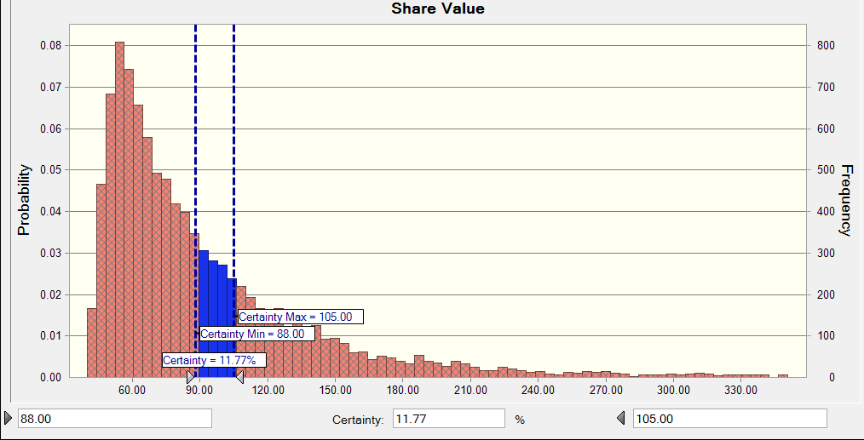
 | 70% | 1,901.33 | 933.79 | 446.22 | 290.85 | 211.33 | 164.01

Full Pro Forma Sensitivity Analysis

Full Pro Forma Sensitivity Analysis
 |  | WACC
Long-term Growth rate | 97.96 | 10% | 12% | 14% | 16% | 18% | 20%
 | 6% | 112.17 | 74.03 | 54.76 | 43.71 | 36.20 | 30.87
 | 7% | 145.62 | 86.56 | 60.98 | 47.38 | 38.55 | 32.48
 | 8% | 212.51 | 105.34 | 69.25 | 51.97 | 41.37 | 34.35
 | 9% | 413.21 | 136.65 | 80.80 | 57.87 | 44.82 | 36.56
 | 10% | nml | 199.28 | 98.07 | 65.74 | 49.13 | 39.21
 | 11% | nml | 387.14 | 126.70 | 76.75 | 54.67 | 42.45
 | 12% | nml | nml | 183.41 | 93.27 | 62.06 | 46.50
 | 13% | nml | nml | 349.17 | 120.80 | 72.40 | 51.71
 | 14% | nml | nml | 8,802.82 | 175.86 | 87.92 | 58.66
 | 15% | nml | nml | nml | 341.05 | 113.78 | 68.39
 | 16% | nml | nml | nml | nml | 165.49 | 82.97
 | 17% | nml | nml | nml | nml | 320.64 | 107.29
 | 18% | nml | nml | nml | nml | nml | 155.91

Stock Price Range
Multiples Model |  |  |  | 44.33-119.35
Simplified DCF Model |  |  |  | 84.9-101.23 |  |  |  |  | Statistics: |  | Forecast values |  |  | Percentiles: |  |  | Forecast values
Full Pro Forma Model |  |  |  | 80.8-98.07 |  |  |  |  |  | Trials |  | 10,000 |  |  | 0% |  | 39.89
 |  |  |  |  |  |  |  |  |  | Base Case |  | 97.96 |  |  | 10% |  | 50.52
 |  |  |  |  |  |  |  |  |  | Mean |  | 97.96 |  |  | 20% |  | 55.74
 |  |  |  |  |  |  |  |  |  | Median |  | 76.57 |  |  | 30% |  | 61.36
 |  |  |  |  |  |  |  |  |  | Mode |  | --- |  |  | 40% |  | 68.17
 |  |  |  |  |  |  |  |  |  | Standard Deviation |  | 90.29 |  |  | 50% |  | 76.56
 |  |  |  |  |  |  |  |  |  | Variance |  | 8153.03 |  |  | 60% |  | 86.78
 |  |  |  |  |  |  |  |  |  | Skewness |  | 13.31 |  |  | 70% |  | 100.43
 |  |  |  |  |  |  |  |  |  | Kurtosis |  | 346.93 |  |  | 80% |  | 120.93
 |  |  |  |  |  |  |  |  |  | Coeff. of Variation |  | 0.9217 |  |  | 90% |  | 157.45
 |  |  |  |  |  |  |  |  |  | Minimum |  | 39.89 |  |  | 100% |  | 3551.05
 |  |  |  |  |  |  |  |  |  | Maximum |  | 3551.05
 |  |  |  |  |  |  |  |  |  | Range Width |  | 3511.15
 |  |  |  |  |  |  |  |  |  | Mean Std. Error |  | 0.90
 |  |  |  |  |  |  |  | Simplified DCF Interpretation
 |  |  |  |  |  |  |  | Across all the factors, market premium, long-term growth rate and risk-free rate are the key driver of the change of the stock price. Market premium and risk-free rate are directly related to the deriviation of WACC. Hence, WACC is the key driver of the stock price. Moreover, the increase of the WACC has negative impact on the stock price; whereas the increase of long term growth rate has a positive impact on the stock price. Among all the simulations, the median of the share price is 78.63, which is mainly caused by the wide range of market premium. Based on the distribution chart, the stock price will fall between $88.5 and $105 has a probability of 11.60%. The main risks AMD faces include interest risk, market risk, and future growth risk. The higher the market return, the higher the WACC, however, when the market performs better, it is likely in an economic boom and we expect AMD to have higher growth. Future growth risk is mainly due to the status of company management and market strategy.

 |  |  |  |  |  |  |  | Full Pro Forma Interpretation
 |  |  |  |  |  |  |  | Across all the factors, market premium, long-term growth rate and risk-free rate are the key driver of the change of the stock price. Market premium and risk-free rate are directly related to the deriviation of WACC. Hence, WACC is the key driver of the change of stock price under Pro Forma model. Similarly, the increase in WACC has a negative impact on stock price; whereas the increase in long-term growth rate has positive impact on stock price. The median of the trials is 76.57, which is mainly caused by the range of market premium. Cost of debt has no impact on the change of stock prices because AMD has a extremely small debt weight. The main risks AMD face include interest risk, market risk, and future growth risk. The future growth risk is mainly caused by the status of company management and the failure of market strategy.

